text_tag_list
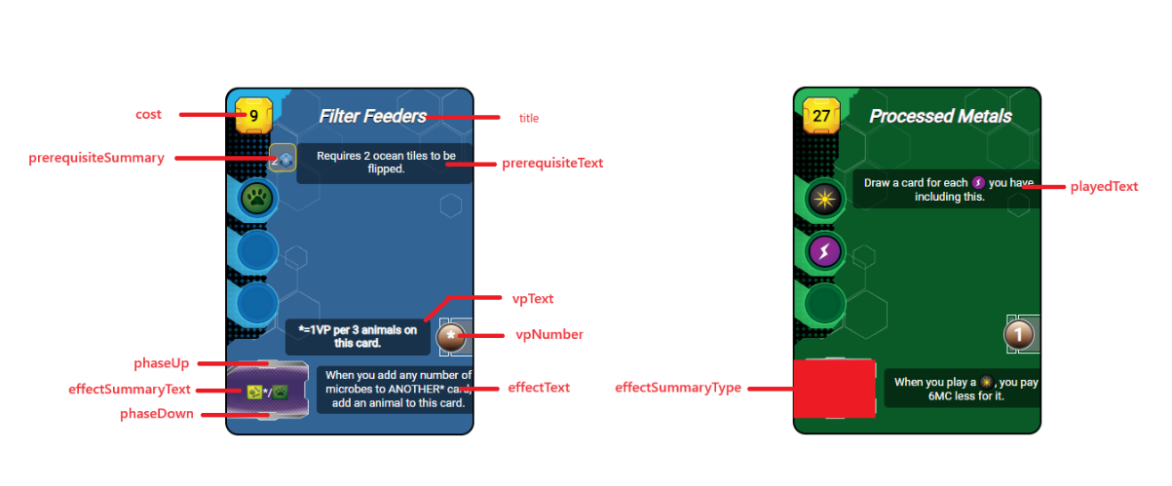
synthax : | description | ressources : |  | tags: |  | other: | description
$ressource_ANY$ |  | animal | $ressource_animal$ | building | $tag_building$ | arrow
$tag_ANY$ |  | heat | $ressource_heat$ | space | $tag_space$ | forest
$other_ANY$ |  | megacredit | $ressource_megacredit$ | science | $tag_science$ | ocean
$skipline$ | allows skipping line | megacreditvoid | $ressource_megacreditvoid_NUMERICVALUE$ | power | $tag_power$ | oxygen
$mix$ | makes the production summary zone hybrid | microbe | $ressource_microbe$ | earth | $tag_earth$ | infrastructure
$production_NUMERICVALUE$ |  | plant | $ressource_plant$ | jovian | $tag_jovian$ | tr | (badge de NT)
 |  | power | $ressource_power$ | plant | $tag_plant$ | milestone
 |  | science | $ressource_science$ | animal | $tag_animal$ | temperature
 |  | steel | $ressource_steel$ | microbe | $tag_microbe$ | objective
 |  | titanium | $ressource_titanium$ | wild | $tag_wild$ | researchcard
 |  | card | $ressource_card$ | event | $tag_event$ | researchcard2
 |  |  |  |  |  | researchsymbol | carte ID 36
 |  |  |  |  |  | bluecard
 |  |  |  |  |  | greencard
 |  |  |  |  |  | redcard
 |  |  |  |  |  | discard
 |  |  |  |  |  | sellcard
 |  |  |  |  |  | researchcard

 |  |  |  |  |  | a lot missing here

